Sheet1
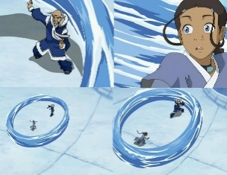
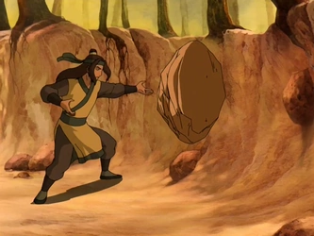
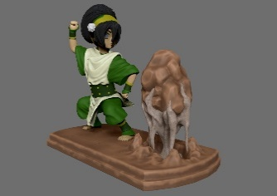
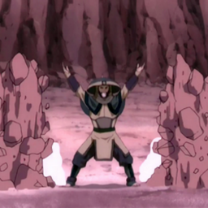
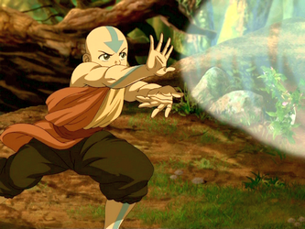
cards
name | attack | mana | healing | block | effect
air 1 | 1 | 1 |  |  | hits 2 people
air 2 | 2 | 2 |  |  | 50% dodge chance
air 3 | 3 | 3 |  |  | 100% dodge chance
air 4 | 4 | 4 |  |  | hits 2 people

water 1 | 1 | 1 | 1
water 2 |  | 2 | 1 |  | heals all team
water 3 | 3 | 3 | 3 |  | self heal
water 4 |  | 4 | 8

earth 1 | 1 | 1 |  | 1
earth 2 |  | 2 |  | 4
earth 3 | 5 | 3 |  | 2
earth 4 | 2 | 4 |  | 2 | aoe attack and block

fire 1 | 2 | 1
fire 2 | 4 | 2
fire 3 | 2 | 3 |  |  | aoe attack
fire 4 | 10 | 4 |  |  | self damage 4

